HOME
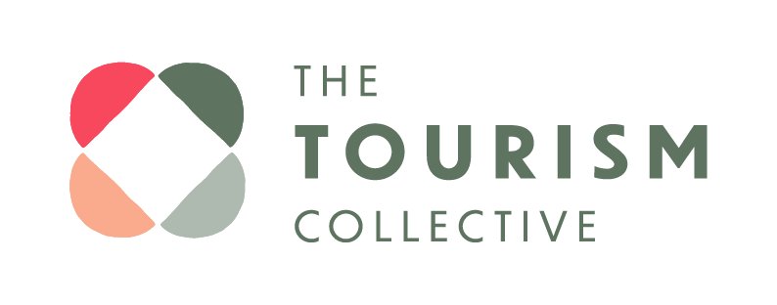
 | SUSTAINABLE & REGENERATIVE TOURISM PROGRESS NOT PERFECTION TOOLKIT

Scroll down to view link to all sheets
Use this sheet to keep track of your progress in your sustainability and regenerative action in the short, medium and long term.
SETTING GOALS | Your Impact Plan on a Page. Use this template to set immediate, short and longer terms goals, and plan your positive impact

Q&A TEMPLATE | Question and answer guide to making purpose driven business decisions

ALIGNMENTS AND ACCREDITATIONS | Measure and record your progress with these key questions

TIME & BUDGET | Measure and record your progress with these key questions

CUSTOMER | Measure and record your progress with these key questions

BUSINESS OPERATIONS | Measure and record your progress with these key questions

WASTE | Measure and record your progress with these key questions

COMMUNICATIONS | Measure and record your progress with these key questions

COMMUNITY | Measure and record your progress with these key questions

CULTURE | Measure and record your progress with these key questions

GIVING BACK | Measure and record your progress with these key questions

This Excel Document and all of it's contents is Copyright © 2023 The Tourism Collective. We are happy for you to adapt and add to the sheet for your own business. If you are sharing it with others, please ensure original credit goes to The Tourism Collective.

Q&A Template
